Product
PT. NUTRIFOOD INDONESIA |  |  | KODE FORM : F.R.201

PENGEMBANGAN KONSEP AWAL PRODUK BARU
( PKP )


[L-Men]®
HYPES
Author |  | : | Jesaya Christian dan Bagus Sindhu Perkoso
Last Updated On |  | : | 2020-06-02
 | Revision No | : | 0
Background
Idea | High Protein Cheese Chips
Target market | Male; SU,U1-2; 20-39
Uniqueness of idea | Strong
Estimated potential market | In between
Reason(s) | Membuat inovasi cheating snack dengan tinggi protein untuk memberikan opsi kepada protein watchers/gymers dalam snack time.
Market Analysis
Launch Deadline | Q1 2021
Aisle Placement | RKA, Ecomm, NKA
Sales Forecast | Rp 300,000,000/bulan

NF Selling Price (before ppn) | Rp7,500
Consumer Price Target | Rp10,000

Main Competitor | Crisped protein chips 24GR PROTEIN (45,000 - Online)
Competitive Analysis | Rasa enak (Hedonic 4.5), klaim tinggi protein, harga menyesuaikan HET 10,000, bisa klaim tinggi protein (minimal 10.5 GR Protein menurut standar 35% ALG)
Product Features
Product Form | Protein Crips
Product Packaging | Preferably sachet bantal
Serving Suggestion | 30 gram/serving
Kategori Pangan (BPOM)
Prefered Flavour | Cheese
Product Benefits | Snack untuk cowok yang tinggi protein

Mandatory Ingredients
Related Picture | 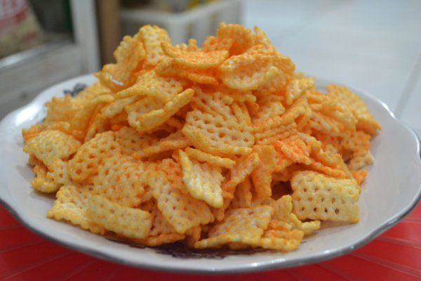

ATTENTION!
 | compulsory; filled by QBX (brand function) Managers
 | should only be filled with great certainty
 | should only be filled after discussion with QPA
Service Level Agreements | Lead Time QBX (brand function) |  | 5 workdays
 | Lead Time QPA (product development function) |  | [1 (benefits) + 2 (COGS)] = 2 workdays
 | Lead Time Revision |  | 2 workdays
Processes | After being filled. HOD approval request. Then, forward to RD as low priority project. Will be further prioritized in PV Cross Funct Mtg. Meanwhile, RD can prepare SLA projection to propose into PV's SLA for the project based on capacity and feasibility.

 |  |  | Revisi/ Berlaku: 01/ 20.01.2017
 |  |  | Lama Simpan: Selamanya

CPM
COMPETITOR PROFILE MATRIX

No | Brand | Rasa/Varian | Protein | PerKemasan | Protein/Pack | Berat | Harga | Price/Protein
1 | Fitchips | Honey BBQ, Seaweed, Cheese and Herbs | 1 | 4 | 4 | 60 | 14,500 | 3,625
2 | Krip Krip | Square | 1 | 4 | 4 | 75 | 11,600 | 2,900
 |  | Tortila | 2 | 3 | 6 | 75 | 7,500 | 1,250
Competitor Profile Matrix
3 | Happy-Tos | Merah, Hijau | 2 | 6 | 12 | 160 | 10,900 | 908
 |  | Biru (Small Pack) | 3 | 2 | 6 | 55 | 5,200 | 867
4 | Potabee | Seaweed, Daging Sapi BBQ | 1 | 2.5 | 2.5 | 68 | 9,950 | 3,980
 |  | Melted Cheese | 3 | 1 | 3 | 57 | 9,950 | 3,317
5 | Kusuka | Emping | 2 | 2.5 | 5 | 50 | 8,400 | 1,680
6 | Qtela | Tempe | 4 | 3 | 12 | 55 | 7,000 | 583
 |  | Krumpe | 3 | 2.5 | 7.5 | 50 | 5,750 | 767
7 | Doritos | Roasted Corn, Nacho Cheese | 2 | 8 | 16 | 160 | 10,600 | 663
8 | Kacang Kulit | Dua Kelinci | 7 | 3 | 21 | 80 | 9,500 | 452
 |  | Garuda | 9 | 7 | - | 220 |  | 389 | 24,500
 |  | Champion | 7 | 2 | 14 | 50 | 8,700 | 621
9 | Kacang Lofet |  | 8 | 3 | 24 | 70 | 9,500 | 396
10 | Sukro Kedele |  | 4 | 6 | 24 | 140 | 7,500 | 313
11 | Lays | Krim&Bawang, Madu Mentega, Salmon Teriyaki, Asin Klasik, Seaweed, Beef Barbecue | 2 | 3 | 6 | 55 | 9,200 | 1,533
12 | Maicih Basreng | Pedas | 5 | 10 | - | 100 |  | 510 | 25,500
13 | Mayasi Crispy Crepes | Strawberry | 7 | 1 | 7 | 100 | 6,800 | 971
14 | Zee | Vanilla, Chocolate | 2 | 1 | 2 | 20 | 3,500 | 1,750
15 | Fitbar | - | 2 | 1 | 2 | 25 | 4,900 | 2,450
16 | Soyjoy | Coklat, Banana, Strawberry | 5 | 1 | 5 | 30 | 9,110 | 1,822
 |  |  |  |  | 9.15 | 71.75 | 8,503

